Sheet1
3 (i) | Binary | Image | Overlap | Test

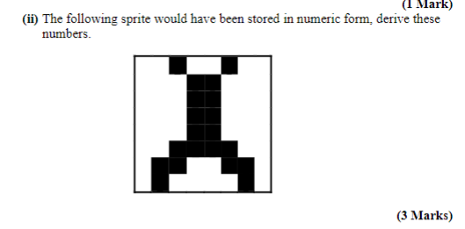

 |  |  |  |  |  |  |  | 128 | 64 | 32 | 16 | 8 | 4 | 2 | 1
 |  |  |  |  |  |  | 36
 |  |  |  |  |  |  | 24
 |  |  |  |  |  |  | 24
 |  |  |  |  |  |  | 24
 |  |  |  |  |  |  | 24
 |  |  |  |  |  |  | 60
 |  |  |  |  |  |  | 102
 |  |  |  |  |  |  | 66

 |  |  |  |  |  |  |  | 128 | 64 | 32 | 16 | 8 | 4 | 2 | 1
 |  |  |  |  |  |  | 60
 |  |  |  |  |  |  | 102
 |  |  |  |  |  |  | 195
 |  |  |  |  |  |  | 153
 |  |  |  |  |  |  | 153
 |  |  |  |  |  |  | 195
 |  |  |  |  |  |  | 102
 |  |  |  |  |  |  | 60

 | Eg. A rotating arrow would have a large AABB but a very small OBB
 | AABB are used in the broad phase of collision detection
 | AABBs are used in the AABB Intersection Test (Sort and Sweep) : Which produces collision islands to be passed on to the Narrow phase. This reduces the overall number of testes required which can grow very large (Handshake problem)

 | Sort and Sweep Algorithm

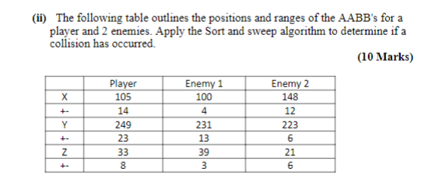

X Axis
A | Ps | E1s | E1e | Pe | E2s | E2e
 | 91 | 96 | 104 | 119 | 136 | 160

B | P | P,E1 | P | Null | E2 | Null

C |  | (E1,P)

Y Axis
A | E2s | E1s | Ps | E2e | E1e | Pe
 | 217 | 218 | 226 | 229 | 244 | 272

B | E2 | E2, E1 | E2,E1,P | E1,P | P | Null

C |  | (E1, E2) | (P,E2), (P,E1)

Z Axis
A | E2s | Ps | E2e | E1s | P1e | E1e
 | 15 | 25 | 27 | 36 | 41 | 42

B | E2 | E2,P | P | P, E1 | E1 | Null

C |  | (P,E2) |  | (E1,P)

